result
key | doc_count | weighted | Derived from Kibana: | https://search-rtdc-monitor-bjffxe2xuh6vdkpspy63sjmuny.us-east-1.es.amazonaws.com/_plugin/kibana/#/visualize/create?indexPattern=emp_*&type=histogram&_a=(filters:!((geo_distance:('Data.Head%20End%20Current%20Position.LatLon':(lat:39.756971,lon:-104.792629),distance:'1570m')),(meta:(disabled:!f,index:'emp_*',key:'Data.Direction%20of%20Travel',negate:!f,value:'Decreasing%20Mileposts%20(2)'),query:(match:('Data.Direction%20of%20Travel':(query:'Decreasing%20Mileposts%20(2)',type:phrase))))),group:!(),linked:!f,metric:!((agg:count)),query:(query_string:(analyze_wildcard:!t,query:'Message%5C%20ID:2080')),segment:!(),split:!(),vis:(aggs:!((id:'3',params:(field:Data.Speed,order:desc,orderBy:'2',size:50),schema:segment,type:terms),(id:'2',params:(),schema:metric,type:count)),listeners:(),params:(addLegend:!t,addTooltip:!t,defaultYExtents:!f,mode:grouped,shareYAxis:!t,spyPerPage:10),type:histogram))&_g=(refreshInterval:(display:Off,section:0,value:0),time:(from:now-30d,mode:quick,to:now))
0 | 4229
1 | 928 | 928 | Average Speed | 26
2 | 16 | 32 | Average Speed Excluding 0 and 1 mph entries | 36
3 | 14 | 42
4 | 18 | 72
5 | 16 | 80
6 | 15 | 90
7 | 15 | 105
8 | 22 | 176 | Data was gathered by analyzing all southbound position reports taken from 40th to Chambers, as indicated by the graphic below.
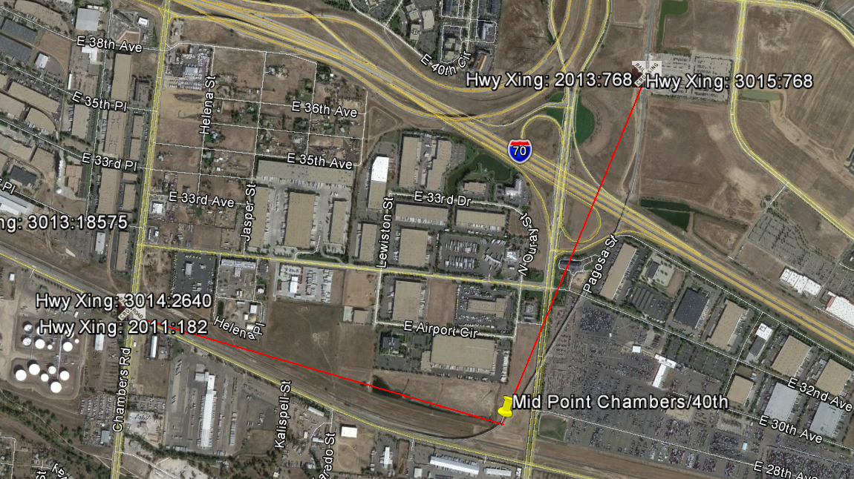
9 | 17 | 153
10 | 24 | 240
11 | 17 | 187
12 | 23 | 276
13 | 19 | 247
14 | 15 | 210
15 | 23 | 345
16 | 31 | 496
17 | 30 | 510
18 | 25 | 450
19 | 52 | 988
20 | 84 | 1680
21 | 133 | 2793
22 | 261 | 5742
23 | 417 | 9591
24 | 581 | 13944
25 | 617 | 15425
26 | 544 | 14144
27 | 422 | 11394
28 | 218 | 6104
29 | 135 | 3915
30 | 98 | 2940
31 | 79 | 2449
32 | 105 | 3360
33 | 160 | 5280
34 | 204 | 6936
35 | 239 | 8365
36 | 491 | 17676
37 | 1319 | 48803
38 | 1422 | 54036
39 | 1217 | 47463
40 | 692 | 27680
41 | 460 | 18860
42 | 557 | 23394
43 | 949 | 40807
44 | 1382 | 60808
45 | 924 | 41580
46 | 310 | 14260
47 | 55 | 2585
48 | 13 | 624
49 | 10 | 490

